SALES BY CATEGORY
SALES BY CATEGORY

SALES BY CATEGORY
Row Labels | Sum of Sales
Furniture | 728658.5757
Office Supplies | 715117.618
Technology | 827455.873
Grand Total | 2271232.0667

SALES BY REGION
SALES BY REGION

SALES BY REGION
Row Labels | Sum of Sales
Central | 502342.1972
East | 669518.726
South | 389151.459
West | 710219.6845
Grand Total | 2271232.0667

SALES BY SUB-CATEGORY
SALES BY SUB-CATEGORY

SALES BY SUB-CATEGORY
Row Labels | Sum of Sales
Accessories | 164186.7
Appliances | 105322.567
Art | 26705.41
Binders | 209019.905
Bookcases | 113813.1987
Chairs | 322822.731
Copiers | 146248.094
Envelopes | 16128.046
Fasteners | 3001.96
Furnishings | 89212.018
Labels | 12347.726
Machines | 189238.631
Paper | 76828.304
Phones | 327782.448
Storage | 219343.392
Supplies | 46420.308
Tables | 202810.628
Grand Total | 2271232.0667

MONTHLY SALES
MONTH SALES

MONTHLY SALES
 | Total
13/01/2015 | 3553.795
13/01/2016 | 622.278
13/01/2018 | 4619.33
13/02/2017 | 146.82
13/02/2018 | 1058.43
13/03/2016 | 1384.856
13/03/2017 | 8866.882
13/03/2018 | 4791.35
13/04/2015 | 638.576
13/04/2016 | 3192.678
13/04/2017 | 6.12
13/04/2018 | 1345.824
13/05/2015 | 898.382
13/05/2016 | 238.384
13/05/2018 | 3066.378
13/06/2015 | 14.52
13/06/2016 | 1128.898
13/06/2017 | 430.438
13/06/2018 | 1156.018
13/07/2015 | 351.216
13/07/2016 | 2033.256
13/07/2018 | 504.542
13/08/2016 | 586.896
13/08/2017 | 731.524
13/08/2018 | 2643.164
13/09/2015 | 1275.408
13/09/2016 | 2109.42
13/09/2017 | 2374.73
13/09/2018 | 15.92
13/10/2015 | 2212.182
13/10/2016 | 371.66
13/10/2017 | 1650.618
13/10/2018 | 8405.802
13/11/2016 | 2867.9132
13/11/2017 | 2945.138
13/11/2018 | 6633.4202
13/12/2015 | 293.152
13/12/2016 | 1023.386
13/12/2017 | 1194.088
13/12/2018 | 580.936
14/01/2015 | 61.96
14/01/2017 | 405.344
14/01/2018 | 697.338
14/02/2015 | 576.726
14/02/2016 | 1079.962
14/02/2017 | 837.921
14/03/2015 | 2108.55
14/03/2016 | 707.9
14/03/2017 | 669.368
14/03/2018 | 49.616
...
Row Labels | Sum of Sales
13/01/2015 | 3553.795
13/01/2016 | 622.278
13/01/2018 | 4619.33
13/02/2017 | 146.82
13/02/2018 | 1058.43
13/03/2016 | 1384.856
13/03/2017 | 8866.882
13/03/2018 | 4791.35
13/04/2015 | 638.576
13/04/2016 | 3192.678
13/04/2017 | 6.12
13/04/2018 | 1345.824
13/05/2015 | 898.382
13/05/2016 | 238.384
13/05/2018 | 3066.378
13/06/2015 | 14.52
13/06/2016 | 1128.898
13/06/2017 | 430.438
13/06/2018 | 1156.018
13/07/2015 | 351.216
13/07/2016 | 2033.256
13/07/2018 | 504.542
13/08/2016 | 586.896
13/08/2017 | 731.524
13/08/2018 | 2643.164
13/09/2015 | 1275.408
13/09/2016 | 2109.42
13/09/2017 | 2374.73
13/09/2018 | 15.92
13/10/2015 | 2212.182
13/10/2016 | 371.66
13/10/2017 | 1650.618
13/10/2018 | 8405.802
13/11/2016 | 2867.9132
13/11/2017 | 2945.138
13/11/2018 | 6633.4202
13/12/2015 | 293.152
13/12/2016 | 1023.386
13/12/2017 | 1194.088
13/12/2018 | 580.936
14/01/2015 | 61.96
14/01/2017 | 405.344
14/01/2018 | 697.338
14/02/2015 | 576.726
14/02/2016 | 1079.962
14/02/2017 | 837.921
14/03/2015 | 2108.55
14/03/2016 | 707.9
14/03/2017 | 669.368
14/03/2018 | 49.616
14/04/2016 | 35.208
14/04/2017 | 1466.572
14/04/2018 | 652.93
14/05/2015 | 310.88
14/05/2016 | 3141.1995
14/05/2017 | 455.93
14/05/2018 | 4182.062
14/06/2015 | 212.94
14/06/2016 | 51.072
14/06/2017 | 3457.099
14/07/2015 | 292.594
14/07/2016 | 860.916
14/07/2017 | 2149.96
14/07/2018 | 3598.934
14/08/2017 | 923.688
14/08/2018 | 440.736
14/09/2015 | 5023.716
14/09/2016 | 3262.42
14/09/2017 | 1137.338
14/09/2018 | 3471.403
14/10/2015 | 4525.484
14/10/2017 | 3335.888
14/10/2018 | 134.332
14/11/2015 | 1034.73
14/11/2016 | 2512.71
14/11/2017 | 2774.062
14/11/2018 | 834.658
14/12/2015 | 7641.658
14/12/2016 | 488.744
14/12/2017 | 828.654
14/12/2018 | 3897.714
15/01/2015 | 149.95
15/01/2017 | 701.923
15/01/2018 | 2140.28
15/02/2015 | 21.36
15/02/2016 | 1602.38
15/02/2017 | 407.072
15/03/2015 | 370.782
15/03/2016 | 16.776
15/03/2017 | 1805.992
15/04/2015 | 294.72
15/04/2017 | 2201.856
15/04/2018 | 332.338
15/05/2016 | 69.908
15/05/2017 | 648.912
15/05/2018 | 421.264
15/06/2015 | 942.974
15/06/2016 | 734.144
15/06/2017 | 173.488
15/06/2018 | 4057.51
15/07/2015 | 9.51
15/07/2017 | 380.2
15/07/2018 | 2132.229
15/08/2015 | 337.5
15/08/2016 | 497.59
15/08/2017 | 1680.266
15/08/2018 | 1949.872
15/09/2015 | 133.436
15/09/2016 | 2535.85
15/09/2017 | 2101.182
15/09/2018 | 7285.026
15/10/2015 | 206.724
15/10/2016 | 3219.554
15/10/2017 | 1620.15
15/10/2018 | 1017.94
15/11/2015 | 1780.822
15/11/2016 | 702.17
15/11/2017 | 2145.718
15/11/2018 | 559.2
15/12/2015 | 1264.466
15/12/2016 | 5494.796
15/12/2017 | 2637.087
15/12/2018 | 306.888
16/01/2015 | 299.964
16/01/2017 | 102.218
16/01/2018 | 6230.292
16/02/2015 | 9.04
16/02/2016 | 160.43
16/02/2017 | 1135.638
16/02/2018 | 1337.442
16/03/2015 | 471.92
16/03/2016 | 7230.21
16/03/2018 | 2014.381
16/04/2015 | 39.072
16/04/2016 | 4161.972
16/04/2017 | 9335.086
16/04/2018 | 944.429
16/05/2015 | 289.28
16/05/2016 | 255.968
16/05/2017 | 880.46
16/05/2018 | 221.024
16/06/2015 | 763.792
16/06/2016 | 3443.904
16/06/2017 | 147.275
16/06/2018 | 2724.194
16/07/2016 | 3029.386
16/07/2017 | 910.17
16/07/2018 | 74.284
16/08/2015 | 853.092
16/08/2016 | 3378.932
16/08/2017 | 204.54
16/08/2018 | 80.564
16/09/2015 | 33.552
16/09/2016 | 31.12
16/09/2017 | 425.886
16/09/2018 | 831.65
16/10/2015 | 194.322
16/10/2016 | 824.97
16/10/2017 | 142.182
16/10/2018 | 3473.597
16/11/2015 | 1355.9285
16/11/2016 | 4072.334
16/11/2017 | 36.72
16/11/2018 | 4755.234
16/12/2015 | 4065.595
16/12/2016 | 4.98
16/12/2017 | 628.542
16/12/2018 | 858.702
17/01/2016 | 350.384
17/01/2017 | 1040.55
17/02/2015 | 54.208
17/02/2018 | 2964.8174
17/03/2015 | 3960.358
17/03/2016 | 48.84
17/03/2017 | 2360.334
17/03/2018 | 542.746
17/04/2016 | 2745.106
17/04/2017 | 421.085
17/04/2018 | 3431.459
17/05/2015 | 91.68
17/05/2016 | 47.368
17/05/2017 | 346.922
17/06/2015 | 3356.486
17/06/2017 | 3000.92
17/06/2018 | 3896.672
17/07/2016 | 448.082
17/07/2017 | 2184.88
17/07/2018 | 2191.873
17/08/2015 | 500.342
17/08/2016 | 381.64
17/08/2017 | 15.712
17/08/2018 | 9517.288
17/09/2015 | 820.523
17/09/2016 | 11525.006
17/09/2017 | 2043.126
17/09/2018 | 4979.226
17/10/2015 | 136.068
17/10/2016 | 77.88
17/10/2017 | 2953.346
17/10/2018 | 126.352
17/11/2015 | 11544.274
17/11/2016 | 3885.986
17/11/2017 | 142.684
17/11/2018 | 13408.7928
17/12/2015 | 45.534
17/12/2016 | 1918.492
17/12/2017 | 12185.134
17/12/2018 | 2027.758
18/01/2015 | 64.864
18/02/2015 | 37.784
18/02/2016 | 105.844
18/02/2018 | 287.326
18/03/2015 | 28106.716
18/03/2017 | 1061.682
18/03/2018 | 1027.758
18/04/2015 | 1020.532
18/04/2016 | 2006.96
18/04/2017 | 2514.538
18/05/2015 | 944.964
18/05/2016 | 10.86
18/05/2017 | 122.22
18/05/2018 | 1830.508
18/06/2015 | 139.8
18/06/2016 | 1883.087
18/06/2017 | 541.938
18/06/2018 | 1031.1555
18/07/2015 | 273.04
18/07/2016 | 525.72
18/07/2017 | 2891.858
18/07/2018 | 2106.794
18/08/2017 | 496.114
18/08/2018 | 7078.484
18/09/2016 | 3924.32
18/09/2017 | 4751.082
18/09/2018 | 1511.93
18/10/2015 | 3134.916
18/10/2016 | 378.494
18/10/2017 | 307.92
18/11/2015 | 3406.855
18/11/2017 | 3958.932
18/11/2018 | 1469.756
18/12/2016 | 935.288
18/12/2017 | 7051.35
18/12/2018 | 3645.911
19/01/2015 | 378.594
19/01/2016 | 301.742
19/01/2018 | 2013.715
19/02/2017 | 392.66
19/02/2018 | 1314.59
19/03/2015 | 590.762
19/03/2016 | 5203.89
19/03/2017 | 138.68
19/03/2018 | 2157.308
19/04/2015 | 205.47
19/04/2016 | 329.96
19/04/2017 | 1414.132
19/05/2015 | 91.62
19/05/2017 | 1582.008
19/05/2018 | 4919.182
19/06/2016 | 446.346
19/06/2017 | 17.12
19/06/2018 | 1900.193
19/07/2015 | 461.326
19/07/2016 | 2.025
19/07/2017 | 1536.454
19/08/2015 | 1439.106
19/08/2017 | 448.792
19/08/2018 | 512.446
19/09/2015 | 9338.637
19/09/2016 | 500.38
19/09/2017 | 3839.312
19/09/2018 | 1648.188
19/10/2015 | 641.104
19/10/2016 | 2135.09
19/10/2018 | 2781.8702
19/11/2015 | 7226.086
19/11/2016 | 1040.784
19/11/2017 | 638.462
19/11/2018 | 7397.272
19/12/2015 | 3436.76
19/12/2016 | 6120.656
19/12/2017 | 815.112
19/12/2018 | 1895.926
20/01/2015 | 2673.87
20/01/2018 | 767.838
20/02/2015 | 95.59
20/02/2016 | 316.78
20/02/2017 | 16.496
20/02/2018 | 1150.29
20/03/2016 | 102.52
20/03/2017 | 928.311
20/03/2018 | 899.568
20/04/2015 | 1250.45
20/04/2016 | 1194.726
20/04/2018 | 1053.614
20/05/2015 | 320.104
20/05/2016 | 169.544
20/05/2017 | 2471.913
20/05/2018 | 2997.578
20/06/2015 | 1828.9496
20/06/2016 | 829.544
20/06/2017 | 1229.548
20/06/2018 | 1028.228
20/07/2015 | 2285.786
20/07/2016 | 2693.168
20/07/2017 | 89.95
20/07/2018 | 2283.208
20/08/2015 | 1838.722
20/08/2017 | 14.78
20/08/2018 | 692.95
20/09/2015 | 5335.968
20/09/2016 | 1836.052
20/09/2017 | 1232.004
20/09/2018 | 7359.918
20/10/2015 | 1501.104
20/10/2016 | 720.086
20/10/2017 | 946.174
20/10/2018 | 1333.858
20/11/2015 | 907.56
20/11/2016 | 2861.15
20/11/2017 | 3070.333
20/11/2018 | 2988.274
20/12/2015 | 6962.44
20/12/2016 | 1107.464
20/12/2017 | 134.54
20/12/2018 | 377.736
21/01/2017 | 1167.056
21/01/2018 | 2546.643
21/02/2015 | 8.85
21/02/2016 | 2591.1
21/02/2017 | 1524.126
21/02/2018 | 47.904
21/03/2015 | 4109.816
21/03/2016 | 1270.379
21/03/2017 | 645.706
21/03/2018 | 3332.636
21/04/2015 | 845.36
21/04/2016 | 893.09
21/04/2017 | 271.616
21/04/2018 | 1254.564
21/05/2015 | 4264.328
21/05/2016 | 72.332
21/05/2017 | 2718.214
21/05/2018 | 538.02
21/06/2015 | 4107.443
21/06/2016 | 107.976
21/06/2017 | 577.108
21/06/2018 | 595.656
21/07/2015 | 1961.482
21/07/2017 | 991.095
21/07/2018 | 3683.832
21/08/2016 | 2827.52
21/08/2017 | 4225.118
21/08/2018 | 8284.534
21/09/2015 | 2679.652
21/09/2016 | 6982.058
21/09/2018 | 338.172
21/10/2015 | 1356.602
21/10/2017 | 7877.272
21/10/2018 | 4537.201
21/11/2015 | 1249.622
21/11/2016 | 3613.5748
21/11/2017 | 1176.891
21/11/2018 | 2236.184
21/12/2015 | 1933.44
21/12/2016 | 3257.76
21/12/2018 | 2140.94
22/01/2017 | 917.63
22/01/2018 | 4212.372
22/02/2015 | 19.44
22/02/2016 | 79.36
22/02/2017 | 983.17
22/03/2015 | 464.093
22/03/2016 | 2481.424
22/03/2017 | 226.468
22/04/2015 | 257.752
22/04/2016 | 152.916
22/04/2017 | 1765.465
22/04/2018 | 947.692
22/05/2015 | 180.93
22/05/2016 | 3862.098
22/05/2017 | 1799.2
22/05/2018 | 336.562
22/06/2015 | 1975.498
22/06/2016 | 2018.953
22/06/2018 | 579.019
22/07/2015 | 1348.344
22/07/2017 | 1368.048
22/07/2018 | 556.314
22/08/2015 | 23.104
22/08/2016 | 66.632
22/08/2017 | 405.35
22/08/2018 | 524.54
22/09/2015 | 1240.266
22/09/2016 | 1783.504
22/09/2017 | 418.062
22/09/2018 | 7871.213
22/10/2015 | 223.808
22/10/2016 | 15.128
22/10/2017 | 188.28
22/10/2018 | 15158.877
22/11/2015 | 1103.298
22/11/2016 | 614.499
22/11/2017 | 317.044
22/11/2018 | 35.712
22/12/2015 | 798.968
22/12/2016 | 473.313
22/12/2017 | 1043.128
22/12/2018 | 7442.021
23/01/2015 | 40.08
23/01/2016 | 43.66
23/01/2017 | 1732.3
23/01/2018 | 450.334
23/02/2015 | 11.364
23/02/2016 | 37.776
23/02/2017 | 57.576
23/02/2018 | 117.8
23/03/2015 | 945.064
23/03/2016 | 633.302
23/03/2018 | 14816.068
23/04/2015 | 643.98
23/04/2017 | 720.368
23/04/2018 | 1199.222
23/05/2015 | 323.758
23/05/2016 | 1304.956
23/05/2017 | 10560.978
23/05/2018 | 241.436
23/06/2015 | 109.496
23/06/2016 | 836.958
23/06/2017 | 2475.094
23/07/2015 | 2613.184
23/07/2016 | 208.272
23/07/2017 | 654.587
23/07/2018 | 898.188
23/08/2015 | 565.224
23/08/2016 | 1202.278
23/08/2017 | 4187.348
23/08/2018 | 4590.344
23/09/2015 | 10662.337
23/09/2017 | 1322.145
23/09/2018 | 2395.786
23/10/2016 | 2262.296
23/10/2017 | 467.422
23/10/2018 | 3352.394
23/11/2015 | 1363.28
23/11/2016 | 3450.188
23/11/2017 | 100.616
23/11/2018 | 1153.109
23/12/2015 | 942.108
23/12/2016 | 194.32
23/12/2017 | 6965.857
23/12/2018 | 1926.776
24/01/2016 | 13.12
24/01/2017 | 31.36
24/01/2018 | 418.666
24/02/2015 | 55.672
24/02/2018 | 1448.676
24/03/2015 | 65.38
24/03/2016 | 412.95
24/03/2017 | 745.774
24/03/2018 | 1257.298
24/04/2016 | 25.99
24/04/2017 | 1607.1
24/04/2018 | 928.558
24/05/2015 | 116.28
24/05/2016 | 610.307
24/05/2017 | 277.756
24/06/2015 | 4.272
24/06/2017 | 5310.952
24/06/2018 | 1184.684
24/07/2016 | 525.95
24/07/2017 | 326.964
24/07/2018 | 2399.96
24/08/2015 | 59.74
24/08/2016 | 7194.775
24/08/2018 | 685.056
24/09/2015 | 211.96
24/09/2016 | 4180.614
24/09/2017 | 2286.05
24/09/2018 | 6450.462
24/10/2015 | 56.49
24/10/2016 | 831.145
24/10/2017 | 1365.498
24/10/2018 | 529.085
24/11/2015 | 5572.864
24/11/2016 | 1218.764
24/11/2017 | 6394.538
24/11/2018 | 4736.061
24/12/2015 | 1950.202
24/12/2016 | 7484.566
24/12/2017 | 1938.26
24/12/2018 | 6233.054
25/01/2017 | 858.712
25/02/2016 | 25.87
25/02/2017 | 46.72
25/02/2018 | 430.492
25/03/2015 | 459.146
25/03/2017 | 1346.97
25/03/2018 | 3567.026
25/04/2015 | 2379.994
25/04/2016 | 920.946
25/04/2017 | 108.42
25/04/2018 | 678.113
25/05/2015 | 119.54
25/05/2016 | 1739.418
25/05/2017 | 1311.97
25/05/2018 | 886.026
25/06/2015 | 792.76
25/06/2016 | 857.08
25/06/2017 | 893.266
25/06/2018 | 1508.352
25/07/2015 | 8341.29
25/07/2016 | 2395.024
25/07/2017 | 4979.308
25/07/2018 | 798.742
25/08/2015 | 1451.65
25/08/2016 | 178.526
25/08/2018 | 361.988
25/09/2015 | 354.8888
25/09/2016 | 3033.757
25/09/2017 | 2384.003
25/09/2018 | 1412.213
25/10/2015 | 103.882
25/10/2016 | 1425.412
25/10/2017 | 783.96
25/11/2015 | 4415.695
25/11/2016 | 13.12
25/11/2017 | 7978.551
25/11/2018 | 3666.157
25/12/2016 | 4204.968
25/12/2017 | 10488.055
25/12/2018 | 2698.927
26/01/2015 | 1097.25
26/01/2016 | 182.72
26/01/2018 | 3055.28
26/02/2018 | 2467.51
26/03/2015 | 145.13
26/03/2016 | 131.16
26/03/2017 | 682.246
26/03/2018 | 3252.88
26/04/2015 | 282.568
26/04/2016 | 2090.1055
26/04/2017 | 434.646
26/04/2018 | 61.608
26/05/2015 | 1325.718
26/05/2016 | 982.564
26/05/2017 | 1975.356
26/05/2018 | 270.24
26/06/2016 | 1592.196
26/06/2017 | 1919.6
26/06/2018 | 4224.136
26/07/2015 | 14735.278
26/07/2016 | 958.857
26/07/2018 | 2012.302
26/08/2015 | 366.81
26/08/2017 | 4874.298
26/08/2018 | 190.66
26/09/2015 | 1326.79
26/09/2016 | 3722.273
26/09/2017 | 2698.1665
26/09/2018 | 1486.576
26/10/2015 | 447.88
26/10/2016 | 1395.333
26/10/2018 | 999.868
26/11/2015 | 1705.99
26/11/2016 | 1484.082
26/11/2017 | 8329.743
26/11/2018 | 5048.172
26/12/2015 | 2041.414
26/12/2016 | 561.486
26/12/2017 | 1829.418
26/12/2018 | 814.594
27/01/2015 | 426.67
27/01/2016 | 3573.252
27/01/2018 | 331.914
27/02/2015 | 19.456
27/02/2016 | 1159.271
27/02/2017 | 243.892
27/03/2016 | 83.7
27/03/2017 | 92.7
27/03/2018 | 2933.516
27/04/2016 | 2719.59
27/04/2018 | 576.5756
27/05/2015 | 2157.394
27/05/2017 | 5305.078
27/05/2018 | 2084.908
27/06/2015 | 616.14
27/06/2017 | 778.706
27/06/2018 | 1644.906
27/07/2015 | 580.06
27/07/2016 | 29.97
27/07/2018 | 947.832
27/08/2015 | 2070.13
27/08/2016 | 639.974
27/08/2017 | 767.911
27/08/2018 | 6190.538
27/09/2015 | 773.44
27/09/2016 | 2382.958
27/09/2017 | 1992.9858
27/10/2015 | 22.32
27/10/2017 | 978.79
27/10/2018 | 1086.32
27/11/2015 | 203.66
27/11/2016 | 3109.7835
27/11/2017 | 1305.769
27/11/2018 | 1618.254
27/12/2015 | 2966.388
27/12/2016 | 5148.4472
27/12/2017 | 959.49
27/12/2018 | 177.636
28/01/2015 | 3.928
28/01/2016 | 4297.644
28/01/2017 | 39.68
28/01/2018 | 1007.52
28/02/2016 | 551.264
28/02/2017 | 147.584
28/02/2018 | 17.62
28/03/2015 | 1493.216
28/03/2016 | 243.344
28/03/2017 | 125.3
28/03/2018 | 1504.702
28/04/2015 | 2578.476
28/04/2016 | 4044.362
28/04/2017 | 486.672
28/04/2018 | 795.296
28/05/2015 | 221.968
28/05/2016 | 794.146
28/05/2017 | 2137.324
28/05/2018 | 1480.103
28/06/2015 | 1645.791
28/06/2016 | 1126.156
28/06/2017 | 877.156
28/07/2015 | 193.152
28/07/2017 | 2033.374
28/07/2018 | 1170.564
28/08/2016 | 6491.293
28/08/2017 | 322.0248
28/08/2018 | 1443.632
28/09/2015 | 490.292
28/09/2016 | 1058.364
28/09/2017 | 99.136
28/09/2018 | 559.271
28/10/2015 | 1510.582
28/10/2016 | 104.51
28/10/2017 | 2899.021
28/10/2018 | 408.726
28/11/2015 | 2280.83
28/11/2016 | 1864.482
28/11/2017 | 3428.372
28/11/2018 | 6912.944
28/12/2015 | 2682.326
28/12/2016 | 79.2
28/12/2018 | 1657.3508
29/01/2018 | 158.642
29/03/2015 | 890.841
29/03/2016 | 1559.08
29/03/2017 | 2659.339
29/03/2018 | 81.4
29/04/2015 | 768.844
29/04/2016 | 7.968
29/04/2018 | 1053.26
29/05/2016 | 1119.786
29/05/2017 | 1063.185
29/05/2018 | 691.108
29/06/2015 | 46.68
29/06/2016 | 432.926
29/06/2017 | 191.88
29/06/2018 | 4521.9912
29/07/2017 | 819.154
29/07/2018 | 1391.294
29/08/2015 | 832.3225
29/08/2016 | 246.5
29/08/2017 | 632.188
29/08/2018 | 235.468
29/09/2015 | 8109.07
29/09/2017 | 1271.552
29/09/2018 | 1846.78
29/10/2015 | 2813.812
29/10/2016 | 244.24
29/10/2017 | 131.154
29/10/2018 | 46.96
29/11/2015 | 649.044
29/11/2016 | 2760.168
29/11/2017 | 300.592
29/11/2018 | 491.888
29/12/2015 | 2072.096
29/12/2017 | 1277.68
29/12/2018 | 2915.534
30/01/2015 | 240.5
30/01/2016 | 2161.64
30/01/2017 | 3107.316
30/01/2018 | 3749.335
30/03/2015 | 1170.322
30/03/2016 | 571.224
30/03/2017 | 11.34
30/03/2018 | 656.407
30/04/2015 | 1048.74
30/04/2016 | 1571.695
30/04/2017 | 142.208
30/04/2018 | 1390.126
30/05/2015 | 1924.913
30/05/2016 | 681.1
30/05/2017 | 8090.578
30/05/2018 | 736.8904
30/06/2015 | 739.624
30/06/2017 | 1352.95
30/06/2018 | 4721.977
30/07/2015 | 1367.84
30/07/2016 | 443.802
30/07/2017 | 1770.776
30/07/2018 | 523.376
30/08/2015 | 121.24
30/08/2017 | 1656.87
30/09/2015 | 987.532
30/09/2017 | 525.884
30/09/2018 | 540.76
30/10/2016 | 2122.044
30/10/2017 | 159.002
30/10/2018 | 4025.73
30/11/2015 | 219.154
30/11/2016 | 1798.397
30/11/2017 | 970.142
30/11/2018 | 6645.282
30/12/2015 | 2172.651
30/12/2016 | 3251.34
30/12/2017 | 773.774
30/12/2018 | 713.79
31/01/2015 | 290.666
31/01/2016 | 99.26
31/01/2017 | 1601.554
31/03/2015 | 1959.552
31/03/2016 | 200.716
31/03/2017 | 640.762
31/03/2018 | 4981.0108
31/05/2015 | 773.7
31/05/2016 | 5178.138
31/05/2017 | 438.859
31/07/2016 | 3712.162
31/07/2017 | 2174.158
31/07/2018 | 1558.028
31/08/2015 | 92.52
31/08/2016 | 2601.797
31/08/2017 | 23.968
31/08/2018 | 3162.83
31/10/2015 | 5362.026
31/10/2016 | 3211.009
31/10/2017 | 3750.499
31/10/2018 | 523.928
31/12/2015 | 5253.27
31/12/2016 | 1381.344
31/12/2017 | 731.768
2015-01-02 | 468.9
2015-01-03 | 2203.151
2015-01-04 | 119.888
2015-01-06 | 5188.52
2015-01-07 | 601.024
2015-01-08 | 228.328
2015-01-09 | 469.436
2015-01-10 | 4.71
2015-01-11 | 4637.816
2015-01-12 | 5624.39
2015-02-02 | 211.646
2015-02-03 | 47.76
2015-02-04 | 1458.558
2015-02-05 | 506.12
2015-02-06 | 738.598
2015-02-07 | 79.56
2015-02-08 | 886.28
2015-02-09 | 3254.15
2015-02-10 | 598.144
2015-02-11 | 2126.37
2015-02-12 | 1771.808
2015-03-01 | 16.448
2015-03-02 | 97.112
2015-03-03 | 1345.892
2015-03-05 | 72.632
2015-03-06 | 531.16
2015-03-08 | 477.994
2015-03-09 | 22.08
2015-03-10 | 862.683
2015-03-11 | 2784.163
2015-03-12 | 505.88
2015-04-01 | 288.06
2015-04-02 | 134.384
2015-04-03 | 370.452
2015-04-04 | 475.844
2015-04-05 | 187.432
2015-04-06 | 456.272
2015-04-07 | 247.408
2015-04-08 | 2743.154
2015-04-10 | 728.748
2015-04-11 | 6693.748
2015-04-12 | 129.98
2015-05-01 | 19.536
2015-05-03 | 705.562
2015-05-04 | 5179.738
2015-05-05 | 260.977
2015-05-07 | 1444.104
2015-05-08 | 2408.724
2015-05-09 | 296.304
2015-05-10 | 191.9
2015-05-11 | 1694.564
2015-05-12 | 2963.642
2015-06-01 | 4407.1
2015-06-02 | 330.512
2015-06-04 | 1650.69
2015-06-05 | 254.456
2015-06-06 | 1374.001
2015-06-07 | 1038.472
2015-06-08 | 262.89
2015-06-09 | 100.36
2015-06-10 | 494.71
2015-06-12 | 1970.978
2015-07-01 | 87.158
2015-07-02 | 180.32
2015-07-03 | 1561.062
2015-07-04 | 1021.17
2015-07-05 | 1091.35
2015-07-06 | 281.397
2015-07-07 | 241.194
2015-07-09 | 3523.875
2015-07-10 | 237.36
2015-07-11 | 1302.454
2015-07-12 | 548.4
2015-08-02 | 14.56
2015-08-04 | 1958.75
2015-08-05 | 1799.97
2015-08-06 | 2501.264
2015-08-07 | 763.074
2015-08-08 | 3955.629
2015-08-09 | 14228.428
2015-08-10 | 147.392
2015-08-11 | 333.576
2015-08-12 | 1095.12
2015-09-01 | 40.544
2015-09-05 | 394.48
2015-09-06 | 5463.008
2015-09-07 | 265.521
2015-09-08 | 3605.685
2015-09-09 | 4043.588
2015-09-10 | 249.36
2015-09-11 | 1574.094
2015-09-12 | 1522.652
2015-10-01 | 54.83
2015-10-03 | 741.956
2015-10-05 | 2343.799
2015-10-06 | 491.55
2015-10-09 | 1855.228
2015-10-10 | 2049.386
2015-10-11 | 2002.556
2015-10-12 | 573.336
2015-11-01 | 9.94
2015-11-02 | 2043.4
2015-11-03 | 918.314
2015-11-04 | 1915.24
2015-11-05 | 1642.802
2015-11-07 | 2022.356
2015-11-08 | 451.62
2015-11-09 | 127.95
2015-11-10 | 1381.164
2015-11-11 | 7836.978
2015-12-02 | 129.568
2015-12-04 | 1872.443
2015-12-05 | 734.846
2015-12-07 | 1960.012
2015-12-08 | 1545.73
2015-12-09 | 4904.66
2015-12-10 | 58.53
2015-12-11 | 901.6492
2015-12-12 | 4938.4045
2016-01-03 | 1642.1744
2016-01-05 | 450.94
2016-01-06 | 834.198
2016-01-08 | 1011.696
2016-01-09 | 2367.564
2016-01-10 | 1158.414
2016-01-11 | 3106.106
2016-01-12 | 7130.594
2016-02-01 | 1932.096
2016-02-03 | 899.57
2016-02-04 | 299.22
2016-02-05 | 167.232
2016-02-07 | 1631.902
2016-02-08 | 1290.478
2016-02-10 | 1269.266
2016-02-11 | 5528.551
2016-03-01 | 1768.2216
2016-03-02 | 492.836
2016-03-05 | 2198.76
2016-03-07 | 823.982
2016-03-09 | 1874.898
2016-03-10 | 275.218
2016-03-11 | 2800.846
2016-03-12 | 1972.645
2016-04-01 | 264.46
2016-04-04 | 1484.598
2016-04-05 | 1121.362
2016-04-06 | 1192.31
2016-04-07 | 1138.288
2016-04-09 | 1071.284
2016-04-10 | 505.58
2016-04-12 | 5185.814
2016-05-01 | 295.272
2016-05-03 | 1969.267
2016-05-04 | 2974.058
2016-05-06 | 1533.198
2016-05-07 | 121.646
2016-05-08 | 72.65
2016-05-09 | 934.103
2016-05-10 | 851.092
2016-05-11 | 834.874
2016-05-12 | 897.322
2016-06-01 | 31.538
2016-06-02 | 2432.544
2016-06-03 | 1555.244
2016-06-04 | 140.004
2016-06-07 | 1379.812
2016-06-08 | 494.8692
2016-06-09 | 919.674
2016-06-11 | 11.481
2016-06-12 | 6061.502
2016-07-02 | 324.11
2016-07-03 | 807.54
2016-07-04 | 907.436
2016-07-05 | 305.622
2016-07-06 | 59.768
2016-07-08 | 968.206
2016-07-09 | 2922.667
2016-07-11 | 3073.073
2016-07-12 | 1338.298
2016-08-02 | 129.092
2016-08-03 | 2563.296
2016-08-05 | 3981.968
2016-08-06 | 145.504
2016-08-07 | 21.12
2016-08-08 | 760.112
2016-08-09 | 89.64
2016-08-10 | 222.12
2016-08-11 | 12196.997
2016-08-12 | 2672.728
2016-09-01 | 364.07
2016-09-02 | 785.552
2016-09-03 | 478.008
2016-09-04 | 757.992
2016-09-05 | 48.81
2016-09-06 | 797.116
2016-09-07 | 1587.114
2016-09-08 | 4878.392
2016-09-10 | 2133.535
2016-09-11 | 4620.292
2016-09-12 | 34.02
2016-10-01 | 1018.104
2016-10-02 | 77.24
2016-10-03 | 90.932
2016-10-04 | 169.542
2016-10-05 | 154.442
2016-10-07 | 43.286
2016-10-08 | 851.474
2016-10-09 | 1415.726
2016-10-10 | 1855.008
2016-10-11 | 3536.904
2016-10-12 | 3080.38
2016-11-04 | 1328.346
2016-11-05 | 191.968
2016-11-06 | 3373.564
2016-11-07 | 1941.952
2016-11-08 | 196.112
2016-11-09 | 1962.13
2016-11-10 | 1011.8955
2016-11-11 | 542.178
2016-11-12 | 1590.894
2016-12-01 | 747.496
2016-12-03 | 51.016
2016-12-05 | 1060.35
2016-12-06 | 174.476
2016-12-07 | 2052.567
2016-12-09 | 707.824
2016-12-10 | 2390.758
2016-12-11 | 1127.992
2016-12-12 | 1448.854
2017-01-02 | 161.97
2017-01-03 | 6285.806
2017-01-04 | 2161.48
2017-01-05 | 517.866
2017-01-07 | 1724.376
2017-01-08 | 1124.648
2017-01-09 | 5766.152
2017-01-10 | 781.414
2017-01-11 | 453.374
2017-01-12 | 7365.455
2017-02-01 | 405.92
2017-02-02 | 8996.784
2017-02-04 | 1454.9
2017-02-05 | 767.316
2017-02-06 | 157.844
2017-02-07 | 772.786
2017-02-08 | 482.584
2017-02-09 | 6792.193
2017-02-10 | 18452.972
2017-02-12 | 4684.616
2017-03-01 | 2095.83
2017-03-02 | 866.4
2017-03-03 | 7264.422
2017-03-04 | 441.198
2017-03-05 | 1099.013
2017-03-07 | 847.7
2017-03-08 | 248.82
2017-03-09 | 2365.596
2017-03-10 | 1680.696
2017-03-11 | 3802.796
2017-03-12 | 5269.816
2017-04-01 | 1069.22
2017-04-02 | 197.868
2017-04-03 | 315.45
2017-04-04 | 970.194
2017-04-06 | 2316.523
2017-04-07 | 1651.301
2017-04-08 | 497.91
2017-04-09 | 1707.812
2017-04-10 | 5912.782
2017-04-11 | 3888.818
2017-04-12 | 944.286
2017-05-01 | 255.904
2017-05-02 | 2994.476
2017-05-03 | 162.344
2017-05-04 | 1046.334
2017-05-05 | 2701.28
2017-05-06 | 659.82
2017-05-08 | 197.05
2017-05-09 | 5226.348
2017-05-11 | 4266.8988
2017-05-12 | 5138.934
2017-06-02 | 132.224
2017-06-03 | 811.303
2017-06-04 | 1294.75
2017-06-05 | 236.96
2017-06-06 | 5477.352
2017-06-08 | 320.388
2017-06-09 | 1313.536
2017-06-10 | 830.4
2017-06-11 | 773.256
2017-06-12 | 2859.974
2017-07-01 | 83.576
2017-07-02 | 762.142
2017-07-03 | 21.072
2017-07-04 | 1900.302
2017-07-05 | 4835.976
2017-07-06 | 51.562
2017-07-07 | 3882.231
2017-07-08 | 179.97
2017-07-10 | 973.712
2017-07-11 | 3810.464
2017-08-01 | 1859.158
2017-08-02 | 1369.476
2017-08-03 | 2190.81
2017-08-04 | 2906.404
2017-08-05 | 1340.244
2017-08-07 | 2616.512
2017-08-08 | 1115.204
2017-08-09 | 4493.9836
2017-08-10 | 561.536
2017-08-11 | 993.9
2017-08-12 | 4709.095
2017-09-01 | 743.046
2017-09-02 | 121.83
2017-09-03 | 635.6
2017-09-04 | 1115.197
2017-09-05 | 1283.512
2017-09-06 | 1688.472
2017-09-07 | 573.286
2017-09-08 | 661.354
2017-09-09 | 84.992
2017-09-10 | 546.92
2017-09-11 | 479.97
2017-09-12 | 1855.483
2017-10-01 | 174.75
2017-10-03 | 7879.734
2017-10-04 | 950.594
2017-10-05 | 763.02
2017-10-06 | 1412.396
2017-10-07 | 895.895
2017-10-09 | 2094.324
2017-10-10 | 252.361
2017-10-11 | 4723.478
2017-10-12 | 3453.23
2017-11-01 | 149.444
2017-11-02 | 69.93
2017-11-03 | 896.022
2017-11-05 | 5.98
2017-11-06 | 1623.416
2017-11-08 | 151.82
2017-11-09 | 6402.018
2017-11-10 | 33.064
2017-11-11 | 4944.296
2017-11-12 | 6102.25
2017-12-02 | 1366.04
2017-12-03 | 1694.642
2017-12-04 | 1542.53
2017-12-05 | 918.878
2017-12-06 | 2962.563
2017-12-07 | 95.76
2017-12-08 | 3951.9605
2017-12-09 | 2043.792
2017-12-11 | 4914.938
2017-12-12 | 1874.045
2018-01-01 | 1481.828
2018-01-04 | 5972.988
2018-01-05 | 4108.37
2018-01-06 | 586.042
2018-01-07 | 639.83
2018-01-08 | 2085.65
2018-01-09 | 1261.81
2018-01-10 | 2978.466
2018-01-11 | 2921.43
2018-01-12 | 5331.178
2018-02-01 | 2079.554
2018-02-02 | 913.354
2018-02-03 | 1450.126
2018-02-04 | 822.97
2018-02-05 | 399.11
2018-02-06 | 135.706
2018-02-07 | 169.192
2018-02-09 | 8652.334
2018-02-10 | 5418.022
2018-02-11 | 6294.386
2018-02-12 | 9951.182
2018-03-01 | 2070.272
2018-03-02 | 922.327
2018-03-03 | 2000.104
2018-03-04 | 32.528
2018-03-05 | 1386.346
2018-03-06 | 2952.036
2018-03-07 | 6963.404
2018-03-08 | 514.828
2018-03-09 | 1595.849
2018-03-10 | 2504.48
2018-03-11 | 4536.937
2018-03-12 | 1403.842
2018-04-02 | 32.67
2018-04-03 | 228.822
2018-04-04 | 808.47
2018-04-05 | 1146.245
2018-04-06 | 279.414
2018-04-08 | 20.07
2018-04-09 | 5360.202
2018-04-10 | 19.98
2018-04-11 | 10668.096
2018-04-12 | 2639.638
2018-05-02 | 2263.012
2018-05-03 | 1240.02
2018-05-05 | 185.123
2018-05-06 | 491.112
2018-05-07 | 476.354
2018-05-08 | 503.676
2018-05-09 | 327.044
2018-05-10 | 6684.616
2018-05-11 | 2355.064
2018-05-12 | 1453.136
2018-06-01 | 33.74
2018-06-02 | 904.354
2018-06-03 | 778.236
2018-06-04 | 114.42
2018-06-05 | 2991.4018
2018-06-06 | 31.35
2018-06-07 | 380.378
2018-06-08 | 1424.026
2018-06-10 | 1180.82
2018-06-11 | 4288.75
2018-06-12 | 10.68
2018-07-01 | 3395.59
2018-07-03 | 166.59
2018-07-04 | 1971.2905
2018-07-05 | 2549.468
2018-07-07 | 1620.25
2018-07-08 | 3479.624
2018-07-09 | 3848.565
2018-07-10 | 2749.21
2018-07-11 | 2413.378
2018-07-12 | 2916.514
2018-08-01 | 892.98
2018-08-03 | 843.1
2018-08-04 | 6401.93
2018-08-05 | 3658.554
2018-08-06 | 2227.038
2018-08-07 | 1980.264
2018-08-09 | 2184.327
2018-08-10 | 608.356
2018-08-11 | 384.1
2018-08-12 | 7643.041
2018-09-01 | 274.491
2018-09-02 | 773.764
2018-09-03 | 710.804
2018-09-04 | 1626.71
2018-09-05 | 1078.222
2018-09-06 | 939.133
2018-09-07 | 1671.214
2018-09-09 | 4356.061
2018-09-10 | 1496.589
2018-09-11 | 4751.492
2018-09-12 | 5470.39
2018-10-02 | 227.103
2018-10-03 | 1252.952
2018-10-04 | 755.529
2018-10-06 | 2513.343
2018-10-07 | 359.214
2018-10-08 | 1823.07
2018-10-09 | 2506.646
2018-10-10 | 239.358
2018-10-11 | 4007.548
2018-10-12 | 3873.559
2018-11-02 | 1241.516
2018-11-03 | 1973.708
2018-11-04 | 319.806
2018-11-05 | 449.469
2018-11-06 | 1580.894
2018-11-07 | 1728.892
2018-11-08 | 708.726
2018-11-09 | 5564.006
2018-11-11 | 1815.218
2018-11-12 | 2025.035
2018-12-01 | 848.52
2018-12-03 | 353.28
2018-12-04 | 69.66
2018-12-05 | 970.384
2018-12-06 | 1679.968
2018-12-07 | 3.816
2018-12-08 | 3693.084
2018-12-09 | 491.55
2018-12-10 | 5625.394
2018-12-11 | 2911.386
Grand Total | 2271232.0667

TOP 10 PRODUCTS
TOP 10 PRODUCTS

TOP 10 PRODUCTS
Row Labels | Sum of Sales
Canon imageCLASS 2200 Advanced Copier | 61599.824
Cisco TelePresence System EX90 Videoconferencing Unit | 22638.48
Fellowes PB500 Electric Punch Plastic Comb Binding Machine with Manual Bind | 27453.384
GBC DocuBind P400 Electric Binding System | 17965.068
GBC DocuBind TL300 Electric Binding System | 19823.479
GBC Ibimaster 500 Manual ProClick Binding System | 19024.5
Hewlett Packard LaserJet 3310 Copier | 18839.686
High Speed Automatic Electric Letter Opener | 17030.312
HON 5400 Series Task Chairs for Big and Tall | 21870.576
HP Designjet T520 Inkjet Large Format Printer - 24" Color | 18374.895
Grand Total | 244620.204

DASHBOARD
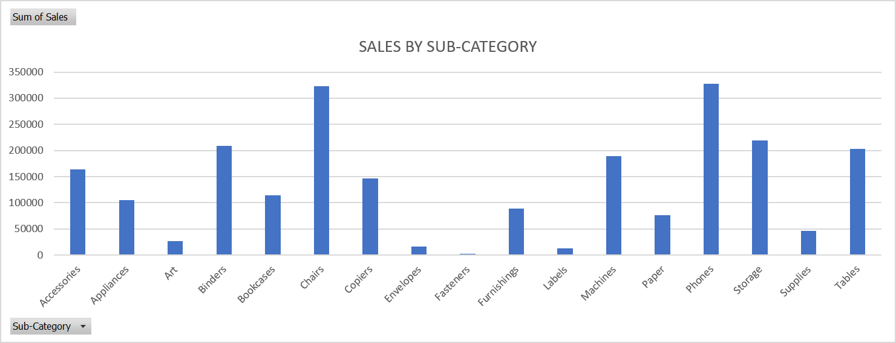
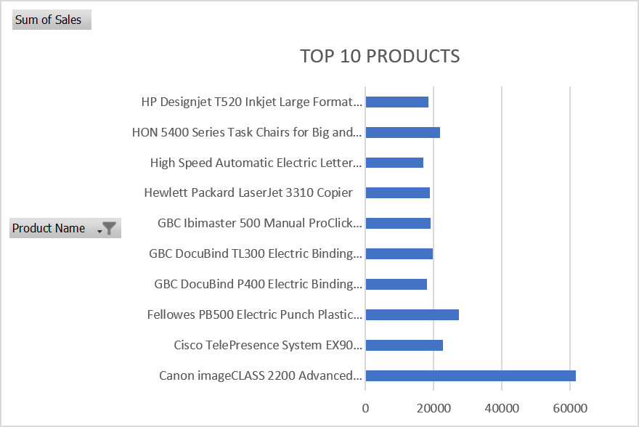
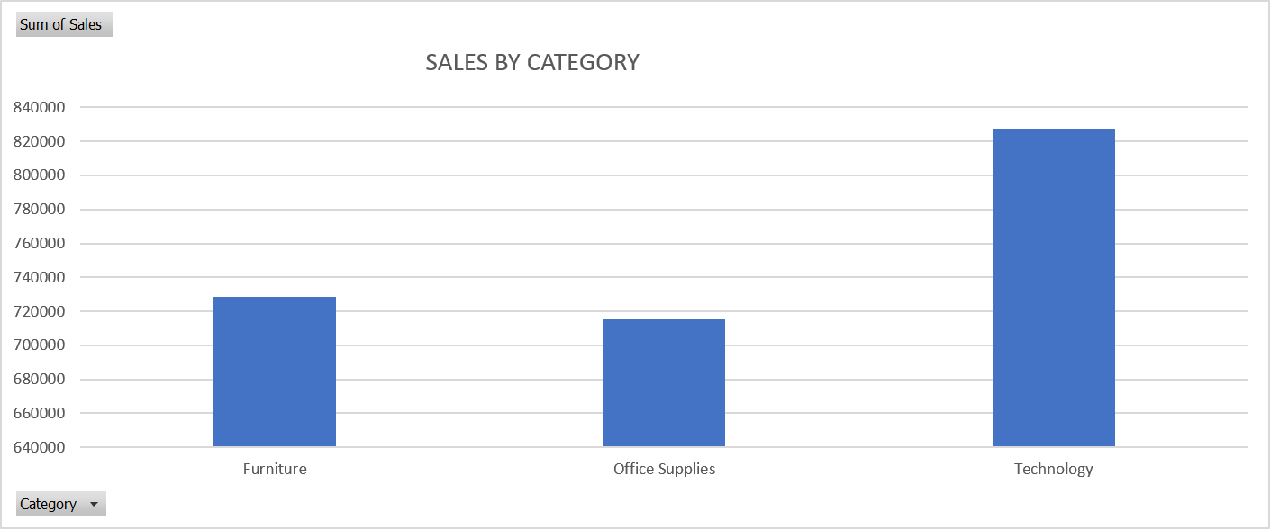
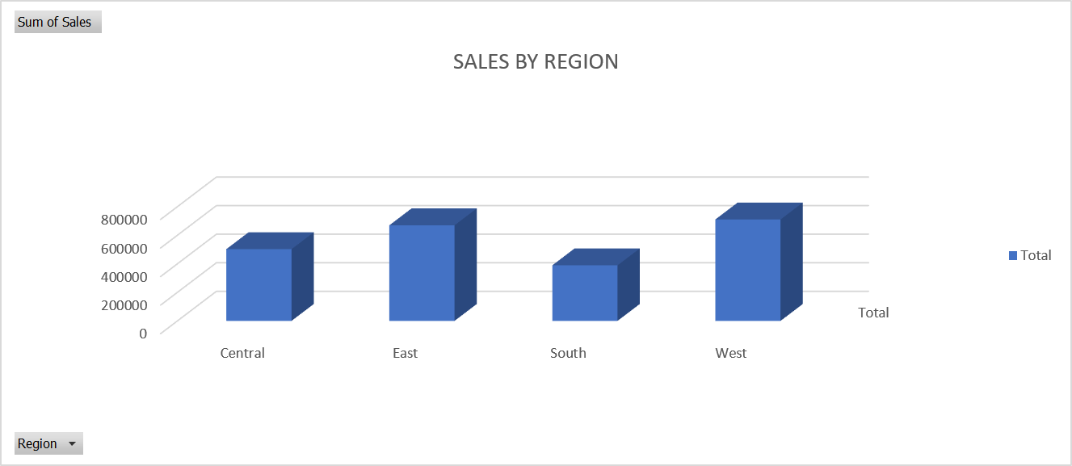

DASHBOARD

